Necklace
V-Perfume

No. | NAME | SKU | TYPE | QUANTITY | IMAGE | STOREPRICE IN AED | DESCRIPTION | Care | Note | BRAND
1 | NK-12® | VJNKSIL-12 | Material: 100% 925 Sterling Silver | 1 | 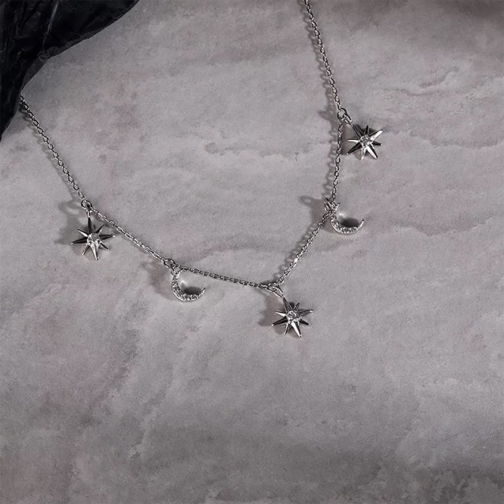 | 120 | Real 925 Sterling Silver Luxury Shiny Zircon Star Moon Pendant Clavicle Chain Necklace for Women Wedding Party Jewelry | Use the provided polishing cloth to gently wipe this item clean, then remove any remaining tarnish with mild diluted soap. Rinse with warm water, dry with a clean towel and store it in its jewelry pouch. | As this item is Real 100% 925 sterling silver, We are gladly if you can testing by your local Testing Center! | Vibez Jewelz
2 | NK-13® | VJNKSIL-13 | Material: 100% 925 Sterling Silver | 1 | 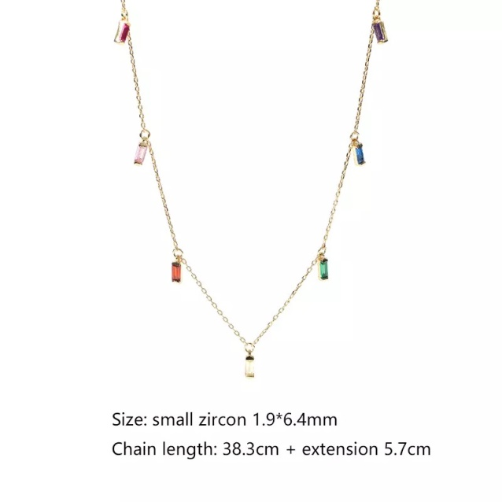 | 125 | Real 925 Sterling Silver Geometric Color Zircon Chain Clavicle Necklace for Women Korean Charming Chic Wedding Party Jewelry | Use the provided polishing cloth to gently wipe this item clean, then remove any remaining tarnish with mild diluted soap. Rinse with warm water, dry with a clean towel and store it in its jewelry pouch. | As this item is Real 100% 925 sterling silver, We are gladly if you can testing by your local Testing Center! | Vibez Jewelz
3 | NK-14® | VJNKSIL-14 | Material: 100% 925 Sterling Silver | 1 | 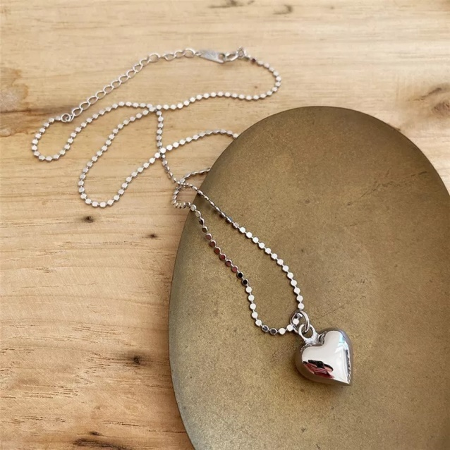 | 140 | Real 925 Sterling Silver Minimalist 3D Love Bead Baroque Chain Pendant Necklace for Women | Use the provided polishing cloth to gently wipe this item clean, then remove any remaining tarnish with mild diluted soap. Rinse with warm water, dry with a clean towel and store it in its jewelry pouch. | As this item is Real 100% 925 sterling silver, We are gladly if you can testing by your local Testing Center! | Vibez Jewelz
4 | NK-15® | VJNKSIL-15 | Material: 100% 925 Sterling Silver | 1 | 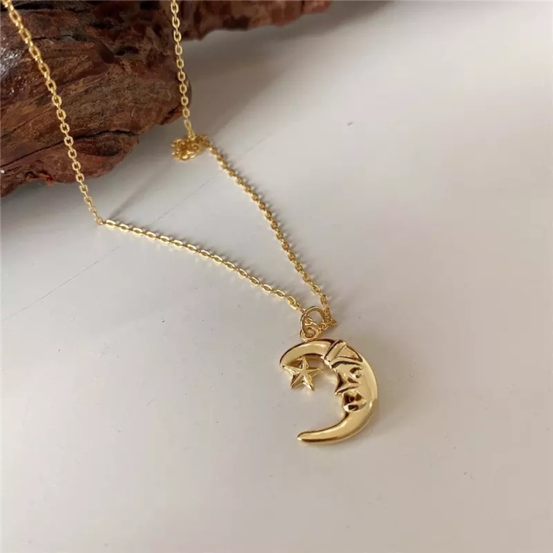 | 120 | Real 925 Sterling Silver Moon Star Pendant Chain Necklace for Fashion Women | Use the provided polishing cloth to gently wipe this item clean, then remove any remaining tarnish with mild diluted soap. Rinse with warm water, dry with a clean towel and store it in its jewelry pouch. | As this item is Real 100% 925 sterling silver, We are gladly if you can testing by your local Testing Center! | Vibez Jewelz
5 | NK-16® | VJNKSIL-16 | Material: 100% 925 Sterling Silver | 1 | 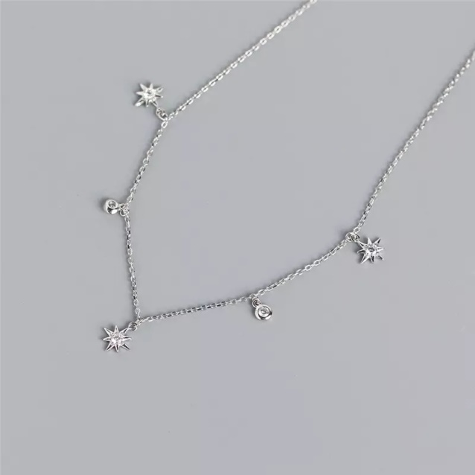 | 110 | Real 925 Sterling Silver Luxury Chic Round Zircon Real 925 Sterling Silver Star Pendant Chain Necklace for Women | Use the provided polishing cloth to gently wipe this item clean, then remove any remaining tarnish with mild diluted soap. Rinse with warm water, dry with a clean towel and store it in its jewelry pouch. | As this item is Real 100% 925 sterling silver, We are gladly if you can testing by your local Testing Center! | Vibez Jewelz
6 | NK-17® | VJNKSIL-17 | Material: 100% 925 Sterling Silver | 1 | 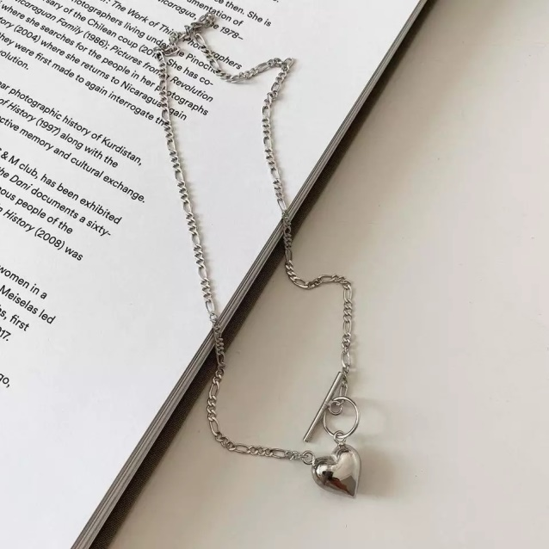 | 139 | Real 925 Sterling Silver Round Punk Love Heart Pendant Cuban Chain Necklace for Women | Use the provided polishing cloth to gently wipe this item clean, then remove any remaining tarnish with mild diluted soap. Rinse with warm water, dry with a clean towel and store it in its jewelry pouch. | As this item is Real 100% 925 sterling silver, We are gladly if you can testing by your local Testing Center! | Vibez Jewelz
7 | NK-18® | VJNKSIL-18 | Material: 100% 925 Sterling Silver | 1 | 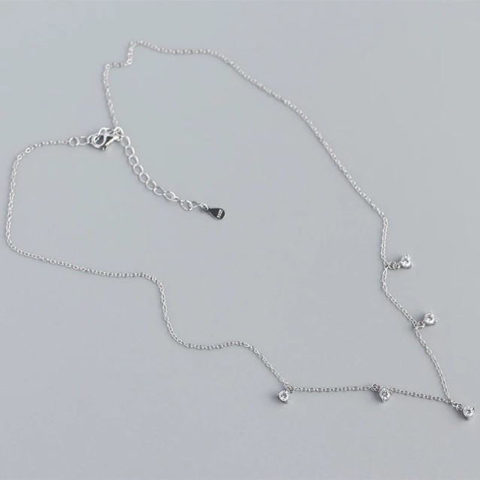 | 110 | Real 925 Sterling Silver Clavicle Pendant Round Hugging Beads Zircon Necklace for Women Luxury Choker Jewelry | Use the provided polishing cloth to gently wipe this item clean, then remove any remaining tarnish with mild diluted soap. Rinse with warm water, dry with a clean towel and store it in its jewelry pouch. | As this item is Real 100% 925 sterling silver, We are gladly if you can testing by your local Testing Center! | Vibez Jewelz
8 | NK-19® | VJNKSIL-19 | Material: 100% 925 Sterling Silver | 1 | 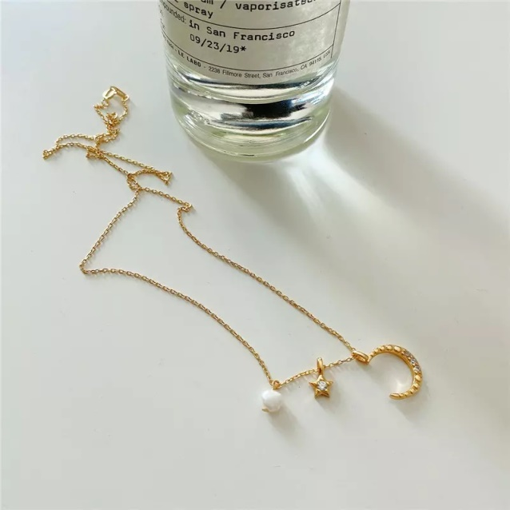 | 120 | Real 925 Sterling Silver Three-Purpose Star Moon Irregular Pearl Pendant Chain Necklace for Women | Use the provided polishing cloth to gently wipe this item clean, then remove any remaining tarnish with mild diluted soap. Rinse with warm water, dry with a clean towel and store it in its jewelry pouch. | As this item is Real 100% 925 sterling silver, We are gladly if you can testing by your local Testing Center! | Vibez Jewelz
9 | NK-20® | VJNKSIL-20 | Material: 100% 925 Sterling Silver | 1 | 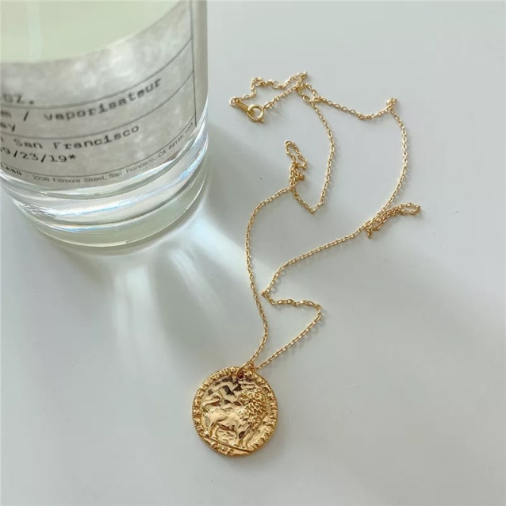 | 140 | Real 925 Sterling Silver Punk Trendy Geometric Round Lion Pendant Chain Necklace for Women Genuine 925 Sterling Silver Fine Animal Jewelry | Use the provided polishing cloth to gently wipe this item clean, then remove any remaining tarnish with mild diluted soap. Rinse with warm water, dry with a clean towel and store it in its jewelry pouch. | As this item is Real 100% 925 sterling silver, We are gladly if you can testing by your local Testing Center! | Vibez Jewelz
10 | NK-21® | VJNKSIL-21 | Material: 100% 925 Sterling Silver | 1 | 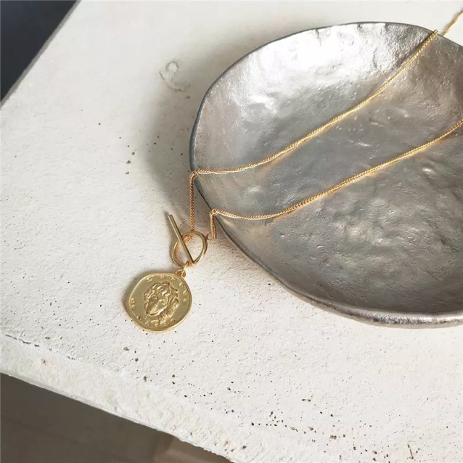 | 160 | Real 925 Sterling Silver Round Gothic Choker Pendant Necklace For Women | Use the provided polishing cloth to gently wipe this item clean, then remove any remaining tarnish with mild diluted soap. Rinse with warm water, dry with a clean towel and store it in its jewelry pouch. | As this item is Real 100% 925 sterling silver, We are gladly if you can testing by your local Testing Center! | Vibez Jewelz
11 | NK-22® | VJNKSIL-22 | Material: 100% 925 Sterling Silver | 1 | 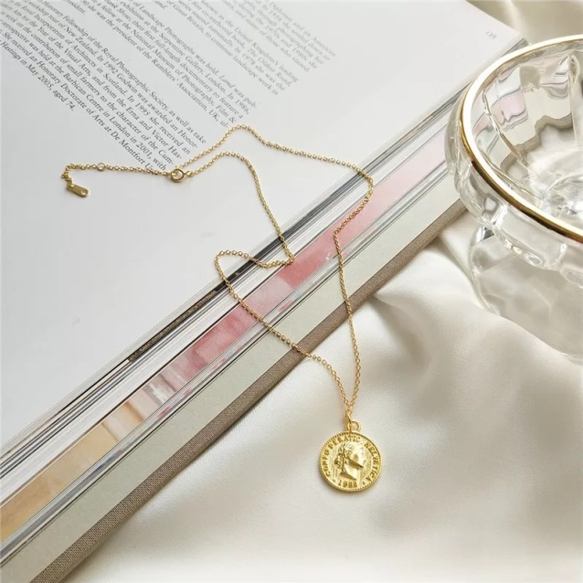 | 120 | Real 925 Sterling Silver Dollar Queen Medallion Chain Pendant Necklace For Women | Use the provided polishing cloth to gently wipe this item clean, then remove any remaining tarnish with mild diluted soap. Rinse with warm water, dry with a clean towel and store it in its jewelry pouch. | As this item is Real 100% 925 sterling silver, We are gladly if you can testing by your local Testing Center! | Vibez Jewelz
12 | NK-23® | VJNKSIL-23 | Material: 100% 925 Sterling Silver | 1 | 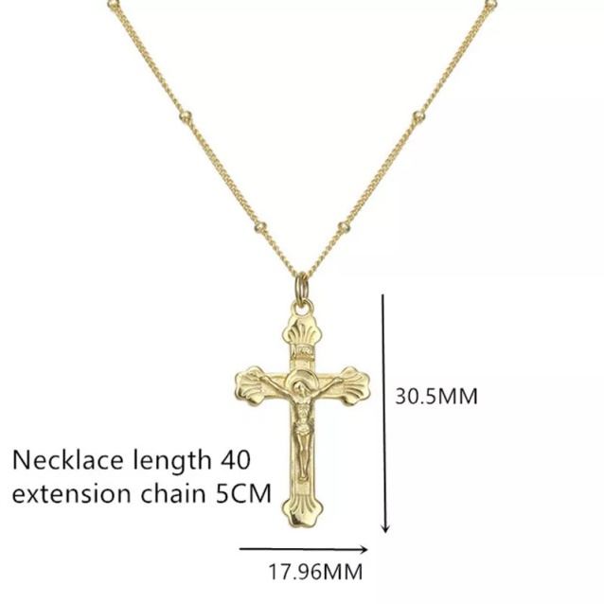 | 140 | Real 925 Sterling Silver Religion Christ Jesus Cross Charm Chain Pendant Necklace for Women | Use the provided polishing cloth to gently wipe this item clean, then remove any remaining tarnish with mild diluted soap. Rinse with warm water, dry with a clean towel and store it in its jewelry pouch. | As this item is Real 100% 925 sterling silver, We are gladly if you can testing by your local Testing Center! | Vibez Jewelz
13 | NK-24® | VJNKSIL-24 | Material: 100% 925 Sterling Silver | 1 | 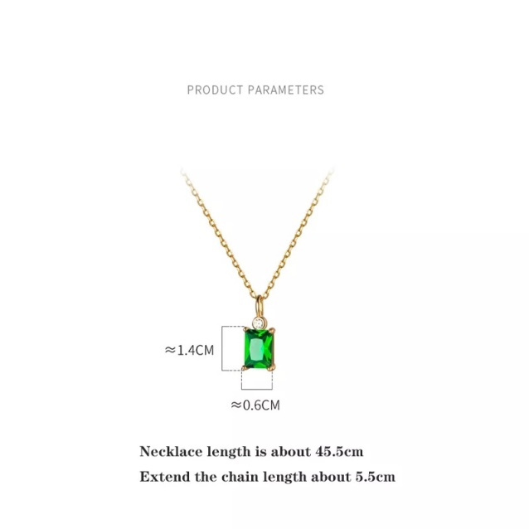 | 90 | Real 925 Sterling Silver Chic Green Square Zircon Link Chain Clavicle Pendant Necklace for Women | Use the provided polishing cloth to gently wipe this item clean, then remove any remaining tarnish with mild diluted soap. Rinse with warm water, dry with a clean towel and store it in its jewelry pouch. | As this item is Real 100% 925 sterling silver, We are gladly if you can testing by your local Testing Center! | Vibez Jewelz
14 | NK-25® | VJNKSIL-25 | Material: 100% 925 Sterling Silver | 1 | 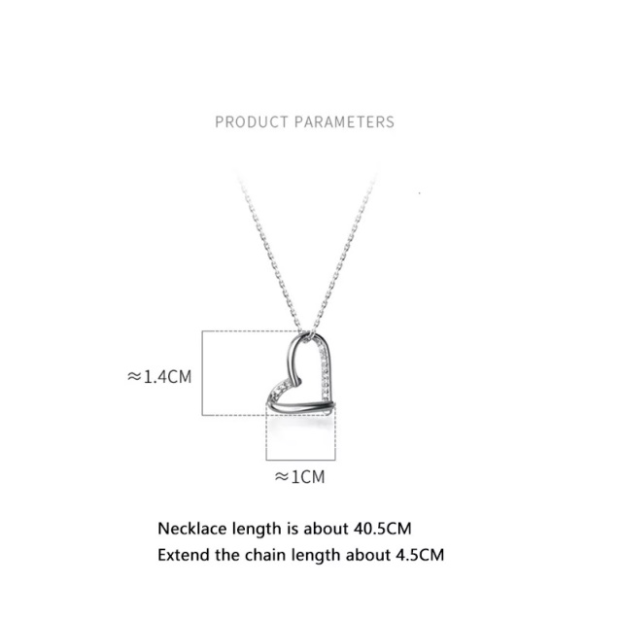 | 100 | Real 925 Sterling Silver Sweet Romantic Love Heart Pendant Chain Necklace for Women Charming Wedding Jewelry | Use the provided polishing cloth to gently wipe this item clean, then remove any remaining tarnish with mild diluted soap. Rinse with warm water, dry with a clean towel and store it in its jewelry pouch. | As this item is Real 100% 925 sterling silver, We are gladly if you can testing by your local Testing Center! | Vibez Jewelz
15 | NK-26® | VJNKSIL-26 | Material: 100% 925 Sterling Silver | 1 | 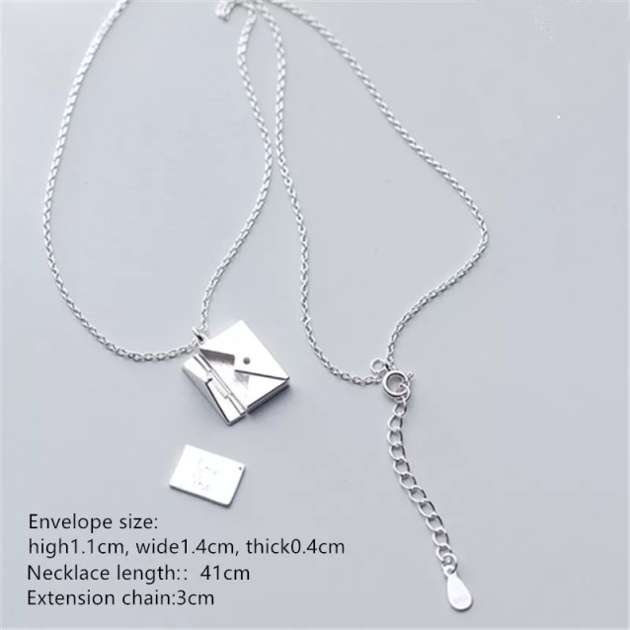 | 140 | Real 925 Sterling Silver Square Confession Love Letter Envelope Pendant Necklace Custom Lettering On The Back | Use the provided polishing cloth to gently wipe this item clean, then remove any remaining tarnish with mild diluted soap. Rinse with warm water, dry with a clean towel and store it in its jewelry pouch. | As this item is Real 100% 925 sterling silver, We are gladly if you can testing by your local Testing Center! | Vibez Jewelz
16 | NK-27® | VJNKSIL-27 | Material: 100% 925 Sterling Silver | 1 | 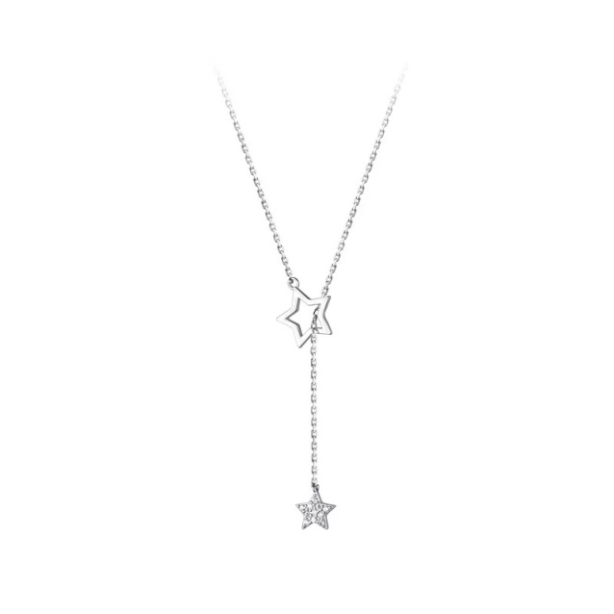 | 100 | Real 925 Sterling Silver Fashion Korean Romantic Hollow Star Link Chain Clavicle Necklace for Women | Use the provided polishing cloth to gently wipe this item clean, then remove any remaining tarnish with mild diluted soap. Rinse with warm water, dry with a clean towel and store it in its jewelry pouch. | As this item is Real 100% 925 sterling silver, We are gladly if you can testing by your local Testing Center! | Vibez Jewelz
17 | NK-28® | VJNKSIL-28 | Material: 100% 925 Sterling Silver | 1 | 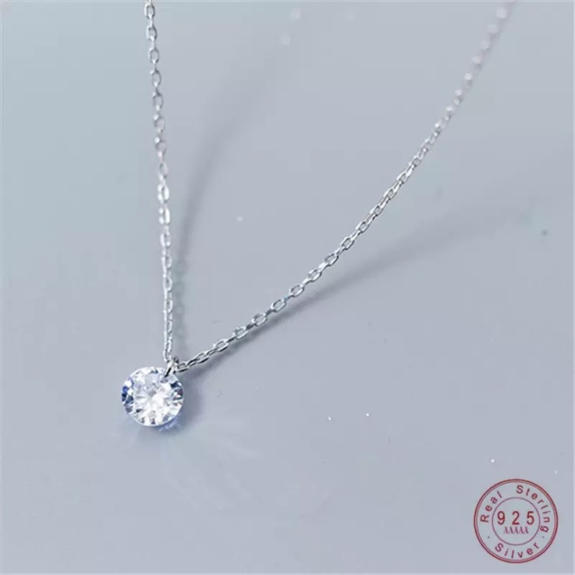 | 75 | Real 925 Sterling Silver Fashion Simple Round Crystal Zircon Pendant Chain Necklace for Women | Use the provided polishing cloth to gently wipe this item clean, then remove any remaining tarnish with mild diluted soap. Rinse with warm water, dry with a clean towel and store it in its jewelry pouch. | As this item is Real 100% 925 sterling silver, We are gladly if you can testing by your local Testing Center! | Vibez Jewelz
18 | NK-29® | VJNKSIL-29 | Material: 100% 925 Sterling Silver | 1 | 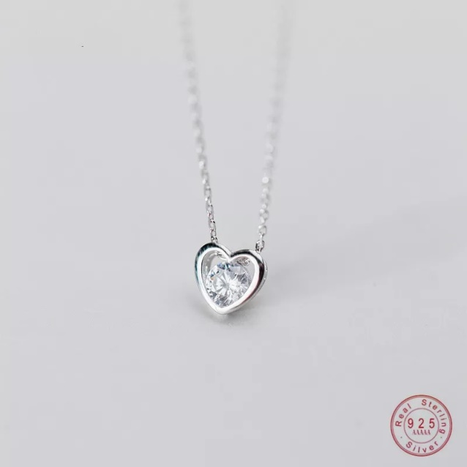 | 95 | Real 925 Sterling Silver Heart Love Chain Pendant Necklace for Women Mosaic Crystal Zirconia | Use the provided polishing cloth to gently wipe this item clean, then remove any remaining tarnish with mild diluted soap. Rinse with warm water, dry with a clean towel and store it in its jewelry pouch. | As this item is Real 100% 925 sterling silver, We are gladly if you can testing by your local Testing Center! | Vibez Jewelz
19 | NK-30® | VJNKSIL-30 | Material: 100% 925 Sterling Silver | 1 | 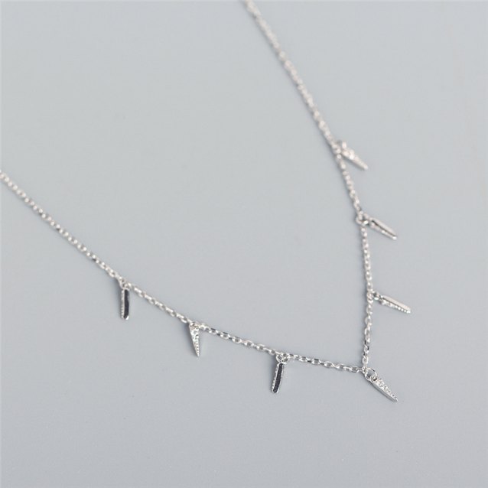 | 100 | 925 Sterling Silver Spike Tassel Clavicle Chain Charm Necklace | Use the provided polishing cloth to gently wipe this item clean, then remove any remaining tarnish with mild diluted soap. Rinse with warm water, dry with a clean towel and store it in its jewelry pouch. | As this item is Real 100% 925 sterling silver, We are gladly if you can testing by your local Testing Center! | Vibez Jewelz
 |  |  |  | 19

Bracelet
V-Perfume

No. | NAME | SKU | TYPE | QUANTITY | IMAGE | STOREPRICE IN AED | DESCRIPTION | Care | Note | BRAND
1 | BR-06® | VJBRSIL-06 | Material: 100% 925 Sterling Silver | 1 | 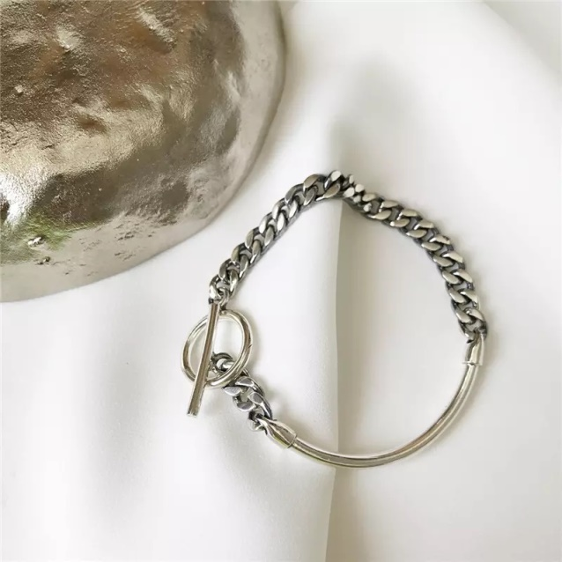 | 230 | Real 925 Sterling Silver Bangle Buckle Cuban Link Chain OT Bracelet for Fashion Women Unisex Wrist Jewelry | Use the provided polishing cloth to gently wipe this item clean, then remove any remaining tarnish with mild diluted soap. Rinse with warm water, dry with a clean towel and store it in its jewelry pouch. | As this item is Real 100% 925 sterling silver, We are gladly if you can testing by your local Testing Center! | Vibez Jewelz
2 | BR-07® | VJBRSIL-07 | Material: 100% 925 Sterling Silver | 1 | 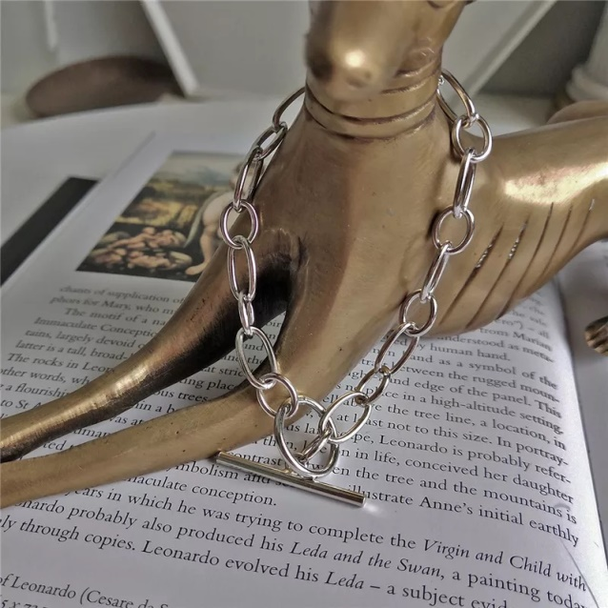 | 190 | Real 925 Sterling Silver Cuban Link Chain Charm OT Buckle Bracelet for Fashion Women | Use the provided polishing cloth to gently wipe this item clean, then remove any remaining tarnish with mild diluted soap. Rinse with warm water, dry with a clean towel and store it in its jewelry pouch. | As this item is Real 100% 925 sterling silver, We are gladly if you can testing by your local Testing Center! | Vibez Jewelz
3 | BR-08® | VJBRSIL-08 | Material: 100% 925 Sterling Silver | 1 | 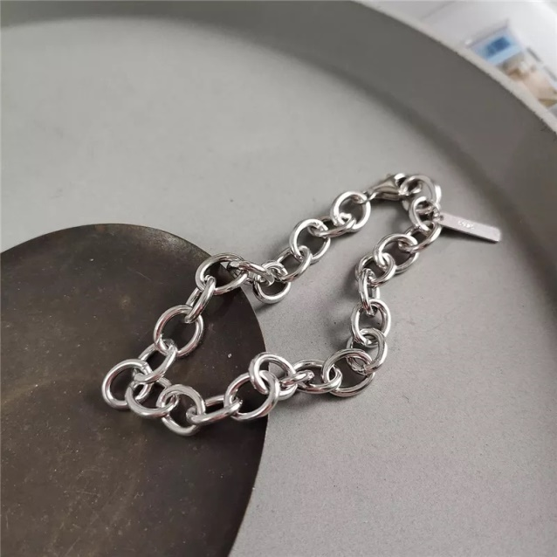 | 220 | Real 925 Sterling Silver Curb Cuban Link Chain Bracelets for Women Unisex Punk Rock Wrist Jewelry | Use the provided polishing cloth to gently wipe this item clean, then remove any remaining tarnish with mild diluted soap. Rinse with warm water, dry with a clean towel and store it in its jewelry pouch. | As this item is Real 100% 925 sterling silver, We are gladly if you can testing by your local Testing Center! | Vibez Jewelz
4 | BR-09® | VJBRSIL-09 | Material: 100% 925 Sterling Silver | 1 | 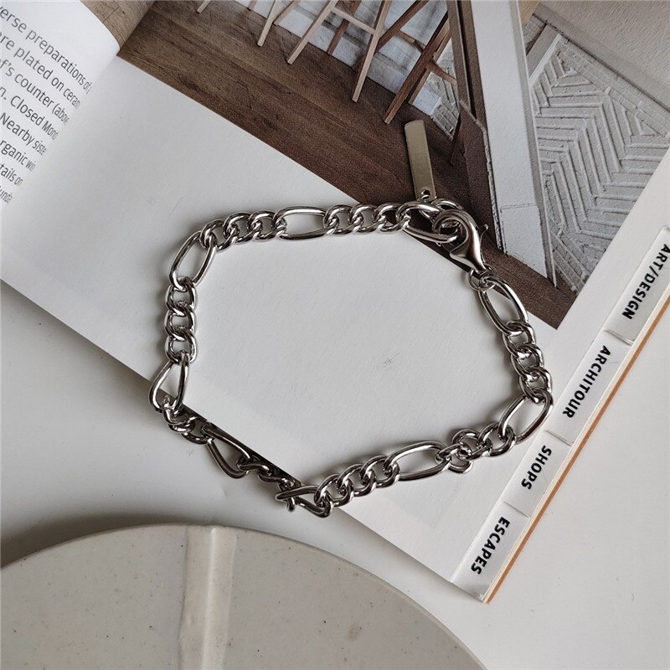 | 200 | Real 925 Sterling Silver Cuban Chain Bracelet&Bangle for Women Men | Use the provided polishing cloth to gently wipe this item clean, then remove any remaining tarnish with mild diluted soap. Rinse with warm water, dry with a clean towel and store it in its jewelry pouch. | As this item is Real 100% 925 sterling silver, We are gladly if you can testing by your local Testing Center! | Vibez Jewelz
5 | BR-10® | VJBRSIL-10 | Material: 100% 925 Sterling Silver | 1 | 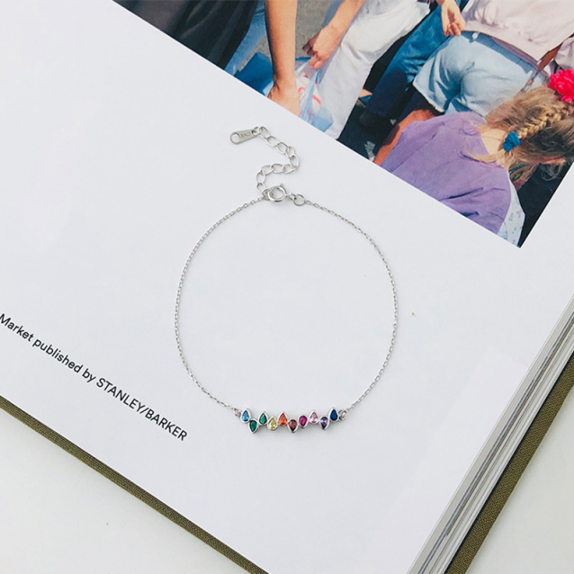 | 110 | Real 925 Sterling Silver Rainbow Multicolor Geometric Zircon Link Chain Charm Bracelet for Women | Use the provided polishing cloth to gently wipe this item clean, then remove any remaining tarnish with mild diluted soap. Rinse with warm water, dry with a clean towel and store it in its jewelry pouch. | As this item is Real 100% 925 sterling silver, We are gladly if you can testing by your local Testing Center! | Vibez Jewelz
6 | BR-11® | VJBRSIL-11 | Material: 100% 925 Sterling Silver | 1 | 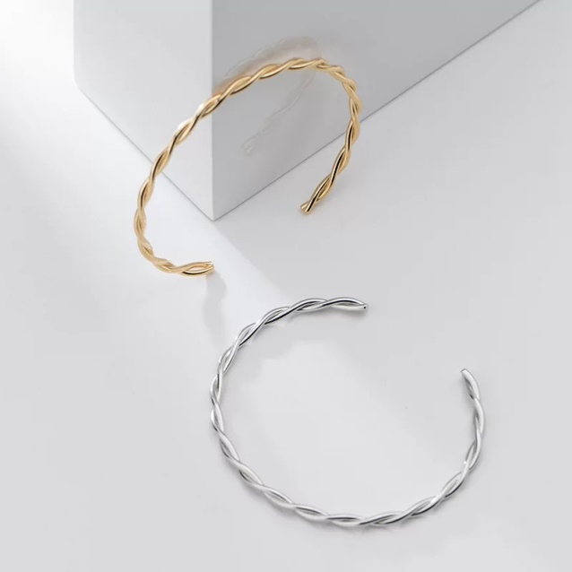 | 155 | Real 925 Sterling Silver Glossy Twist Charm Bracelet & Bangle for Women | Use the provided polishing cloth to gently wipe this item clean, then remove any remaining tarnish with mild diluted soap. Rinse with warm water, dry with a clean towel and store it in its jewelry pouch. | As this item is Real 100% 925 sterling silver, We are gladly if you can testing by your local Testing Center! | Vibez Jewelz
7 | BR-12® | VJBRSIL-12 | Material: 100% 925 Sterling Silver | 1 | 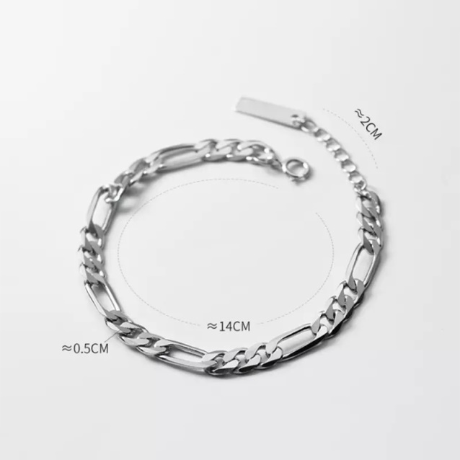 | 145 | Real 925 Sterling Silver Men's Punk Link Chain Simple Charm Bracelet for women (unisex) | Use the provided polishing cloth to gently wipe this item clean, then remove any remaining tarnish with mild diluted soap. Rinse with warm water, dry with a clean towel and store it in its jewelry pouch. | As this item is Real 100% 925 sterling silver, We are gladly if you can testing by your local Testing Center! | Vibez Jewelz
8 | BR-13® | VJBRSIL-13 | Material: 100% 925 Sterling Silver | 1 | 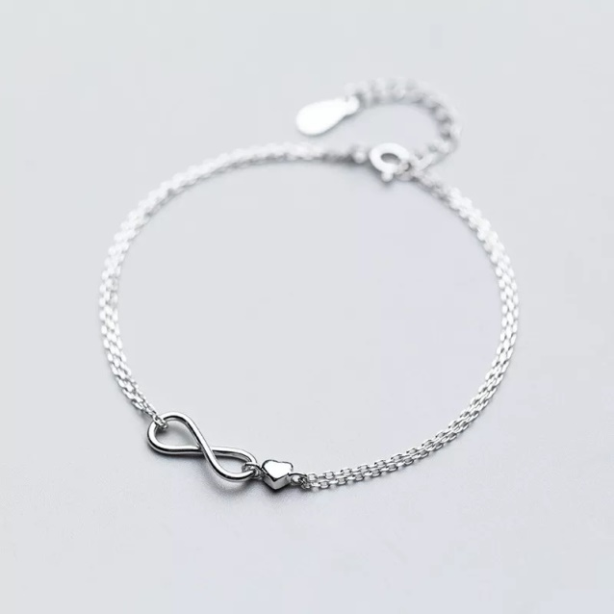 | 85 | Real 925 Sterling Silver Infinite Love Heart Charm Chain Bracelet for Women | Use the provided polishing cloth to gently wipe this item clean, then remove any remaining tarnish with mild diluted soap. Rinse with warm water, dry with a clean towel and store it in its jewelry pouch. | As this item is Real 100% 925 sterling silver, We are gladly if you can testing by your local Testing Center! | Vibez Jewelz
9 | BR-14® | VJBRSIL-14 | Material: 100% 925 Sterling Silver | 1 | 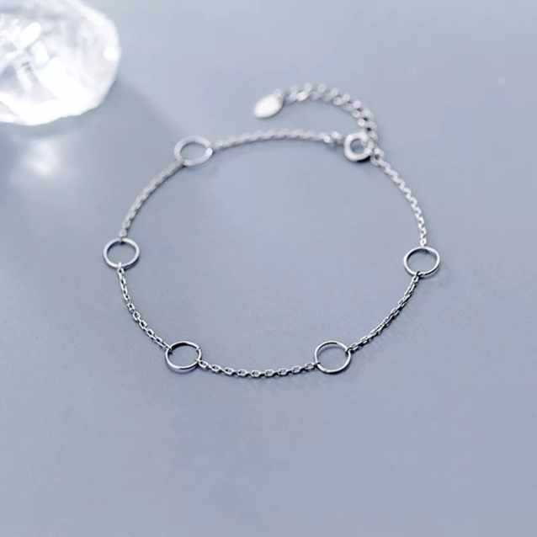 | 70 | Real 925 Sterling Silver Minimalist Personality Hollow Circle Round Charm Bracelet&Bangle for Women | Use the provided polishing cloth to gently wipe this item clean, then remove any remaining tarnish with mild diluted soap. Rinse with warm water, dry with a clean towel and store it in its jewelry pouch. | As this item is Real 100% 925 sterling silver, We are gladly if you can testing by your local Testing Center! | Vibez Jewelz
10 | BR-15® | VJBRSIL-15 | Material: 100% 925 Sterling Silver | 1 | 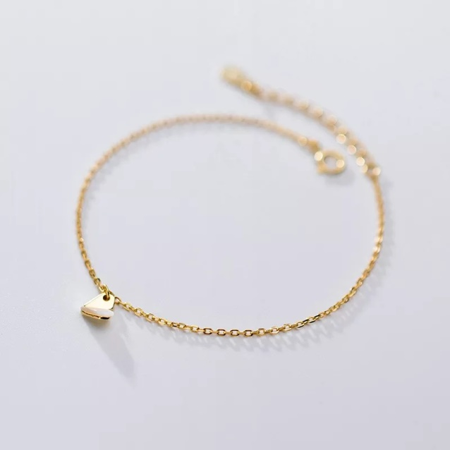 | 85 | Real 925 Sterling Silver Golden Love Shell Charm Chain Bracelets&Bangle for Women | Use the provided polishing cloth to gently wipe this item clean, then remove any remaining tarnish with mild diluted soap. Rinse with warm water, dry with a clean towel and store it in its jewelry pouch. | As this item is Real 100% 925 sterling silver, We are gladly if you can testing by your local Testing Center! | Vibez Jewelz
11 | BR-16® | VJBRSIL-16 | Material: 100% 925 Sterling Silver | 1 | 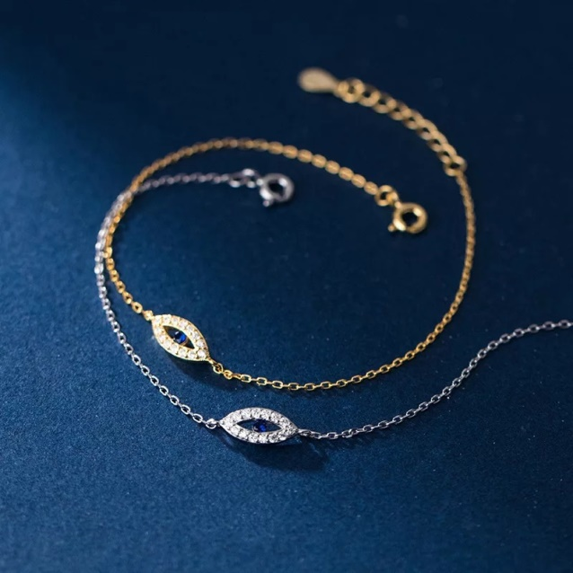 | 100 | Real 925 Sterling Silver Bohemian Blue Zircon Demon Eye Link Chain Bracelet for Women | Use the provided polishing cloth to gently wipe this item clean, then remove any remaining tarnish with mild diluted soap. Rinse with warm water, dry with a clean towel and store it in its jewelry pouch. | As this item is Real 100% 925 sterling silver, We are gladly if you can testing by your local Testing Center! | Vibez Jewelz
12 | BR-17® | VJBRSIL-17 | Material: 100% 925 Sterling Silver | 1 | 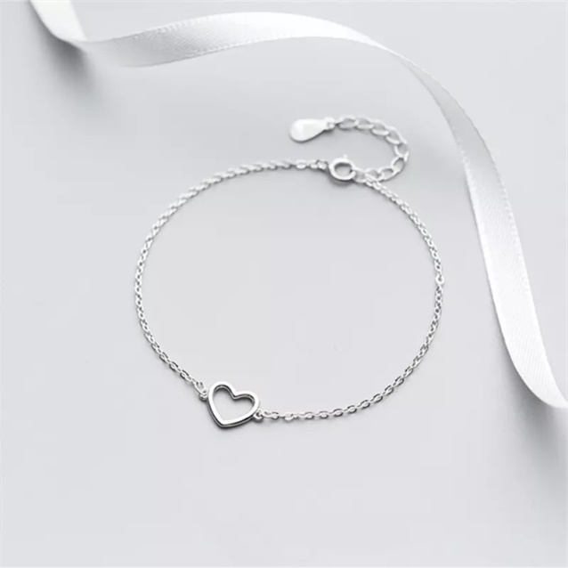 | 75 | Genuine 100% 925 Sterling Silver Jewelry Love Heart Cross Chain Bracelet&bangle For Women | Use the provided polishing cloth to gently wipe this item clean, then remove any remaining tarnish with mild diluted soap. Rinse with warm water, dry with a clean towel and store it in its jewelry pouch. | As this item is Real 100% 925 sterling silver, We are gladly if you can testing by your local Testing Center! | Vibez Jewelz
 |  |  |  | 12

Ring
V-Perfume

No. | NAME | SKU | TYPE | QUANTITY | IMAGE | Size | STOREPRICE IN AED | DESCRIPTION | Care | Note | BRAND
1 | RN-22® | VJRNSL-22 | Material: 100% 925 Sterling Silver | 1 | 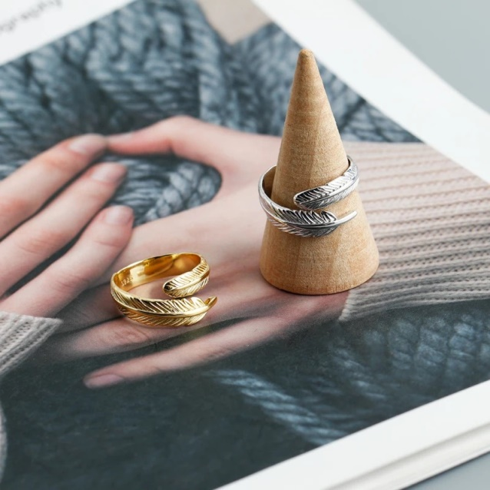 | Resizable | 125 | Real 925 Sterling Silver Adjustable Ring Fashion Feather 925 Sterling Silver Punk Open Ring for Women | Use the provided polishing cloth to gently wipe this item clean, then remove any remaining tarnish with mild diluted soap. Rinse with warm water, dry with a clean towel and store it in its jewelry pouch. | As this item is Real 100% 925 sterling silver, We are gladly if you can testing by your local Testing Center! | Vibez Jewelz
2 | RN-23® | VJRNSL-23 | Material: 100% 925 Sterling Silver | 1 | 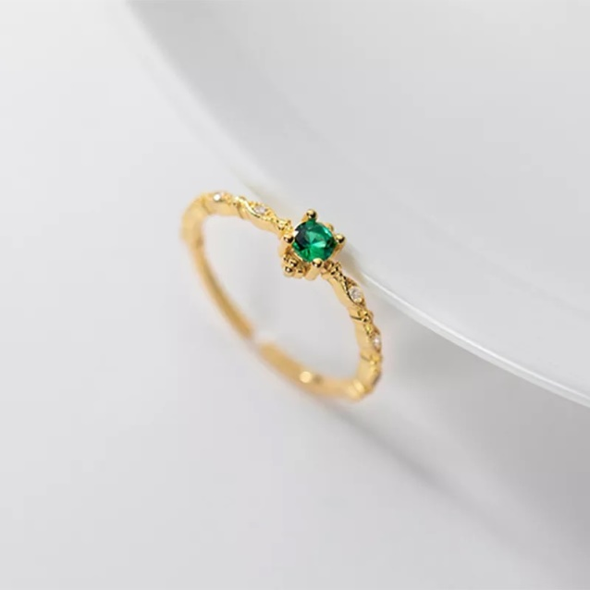 | Resizable | 75 | 925 Sterling Silver Simple Fashion Dazzling Green Zircon Finger Open Ring for Women | Use the provided polishing cloth to gently wipe this item clean, then remove any remaining tarnish with mild diluted soap. Rinse with warm water, dry with a clean towel and store it in its jewelry pouch. | As this item is Real 100% 925 sterling silver, We are gladly if you can testing by your local Testing Center! | Vibez Jewelz
3 | RN-24® | VJRNSL-24 | Material: 100% 925 Sterling Silver | 1 | 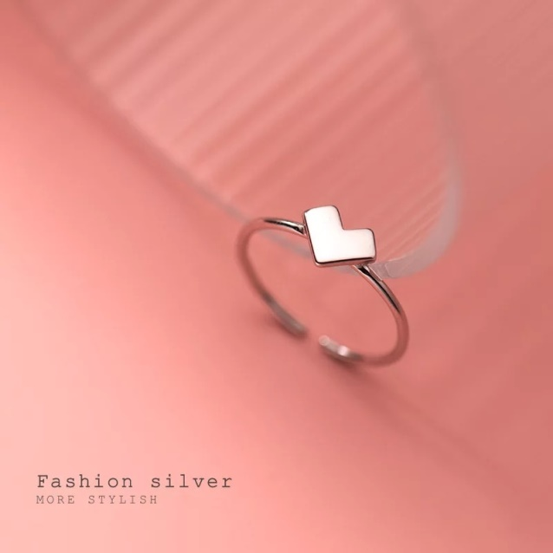 | Resizable | 70 | 925 Sterling Silver Trendy Simple Romantic Korean Love Heart Opening Finger Ring for Women | Use the provided polishing cloth to gently wipe this item clean, then remove any remaining tarnish with mild diluted soap. Rinse with warm water, dry with a clean towel and store it in its jewelry pouch. | As this item is Real 100% 925 sterling silver, We are gladly if you can testing by your local Testing Center! | Vibez Jewelz
4 | RN-25® | VJRNSL-25 | Material: 100% 925 Sterling Silver | 1 | 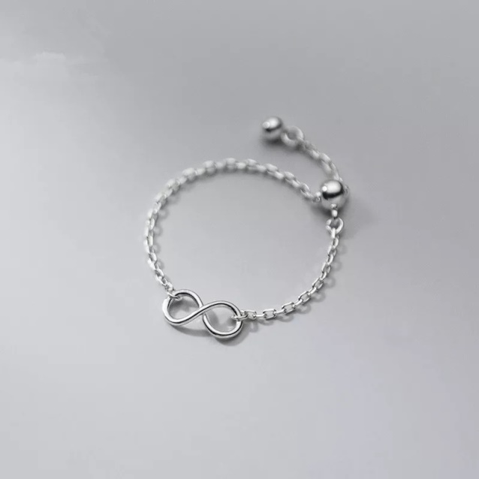 | Resizable | 60 | 925 Sterling Silver Infinity Cuban Link Chain Adjustable Bead Ring for Women | Use the provided polishing cloth to gently wipe this item clean, then remove any remaining tarnish with mild diluted soap. Rinse with warm water, dry with a clean towel and store it in its jewelry pouch. | As this item is Real 100% 925 sterling silver, We are gladly if you can testing by your local Testing Center! | Vibez Jewelz
5 | RN-26® | VJRNSL-26 | Material: 100% 925 Sterling Silver | 1 | 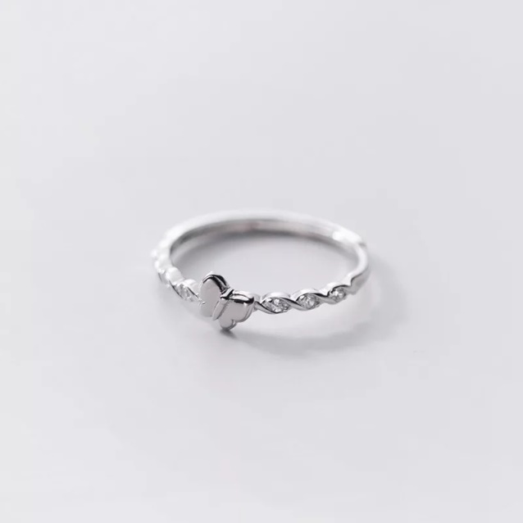 | Resizable | 80 | Chic Pave Zircon Butterfly Opening Finger Ring for Women Genuine 925 Sterling Silver Party Romantic Couple Insect Jewelry | Use the provided polishing cloth to gently wipe this item clean, then remove any remaining tarnish with mild diluted soap. Rinse with warm water, dry with a clean towel and store it in its jewelry pouch. | As this item is Real 100% 925 sterling silver, We are gladly if you can testing by your local Testing Center! | Vibez Jewelz
6 | RN-27® | VJRNSL-27 | Material: 100% 925 Sterling Silver | 1 | 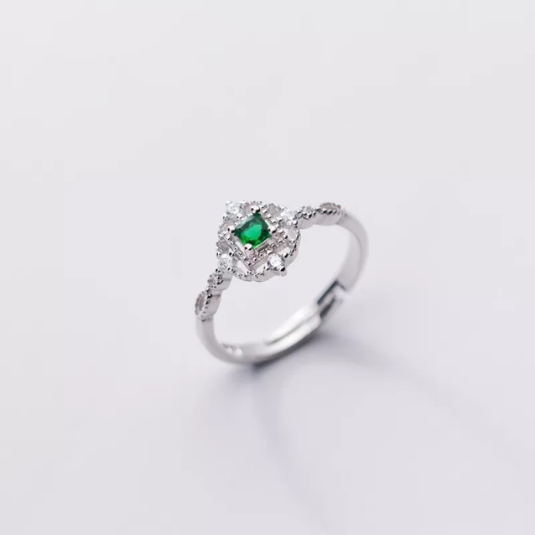 | Resizable | 80 | Vintage Geometric Hollow Green Zircon Open Ring for Women Real 925 Sterling Silver | Use the provided polishing cloth to gently wipe this item clean, then remove any remaining tarnish with mild diluted soap. Rinse with warm water, dry with a clean towel and store it in its jewelry pouch. | As this item is Real 100% 925 sterling silver, We are gladly if you can testing by your local Testing Center! | Vibez Jewelz
7 | RN-28® | VJRNSL-28 | Material: 100% 925 Sterling Silver | 1 | 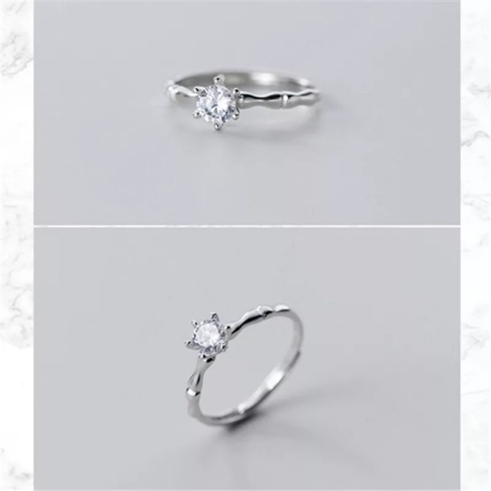 | Resizable | 70 | High Quality 925 Sterling Silver Princess Round CZ Bamboo Finger Rings for Women | Use the provided polishing cloth to gently wipe this item clean, then remove any remaining tarnish with mild diluted soap. Rinse with warm water, dry with a clean towel and store it in its jewelry pouch. | As this item is Real 100% 925 sterling silver, We are gladly if you can testing by your local Testing Center! | Vibez Jewelz
8 | RN-29® | VJRNSL-29 | Material: 100% 925 Sterling Silver | 1 |  | Resizable | 100 | 925 Sterling Silver Love Heart Opening Adjustable Finger Ring for Women | Use the provided polishing cloth to gently wipe this item clean, then remove any remaining tarnish with mild diluted soap. Rinse with warm water, dry with a clean towel and store it in its jewelry pouch. | As this item is Real 100% 925 sterling silver, We are gladly if you can testing by your local Testing Center! | Vibez Jewelz
 |  |  |  | 8

Earrings
V-Perfume

No. | NAME | SKU | TYPE | QUANTITY | IMAGE | STOREPRICE IN AED | DESCRIPTION | Care | Note | BRAND
1 | ER-39® | VJERSIL-39 | Material: 100% 925 Sterling Silver | 1 | 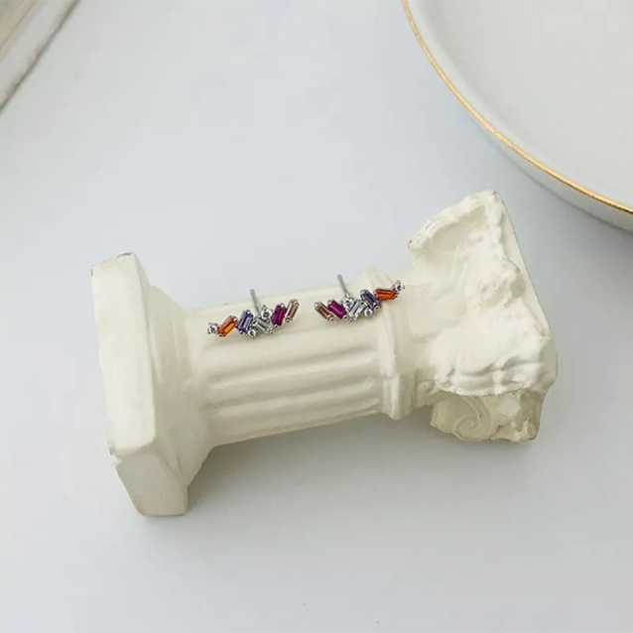 | 80 | Real 925 Sterling Silver Charming Colorful Geometric Zircon Stud Earrings for Women | Use the provided polishing cloth to gently wipe this item clean, then remove any remaining tarnish with mild diluted soap. Rinse with warm water, dry with a clean towel and store it in its jewelry pouch. | As this item is Real 100% 925 sterling silver, We are gladly if you can testing by your local Testing Center! | Vibez Jewelz
2 | ER-40® | VJERSIL-40 | Material: 100% 925 Sterling Silver | 1 | 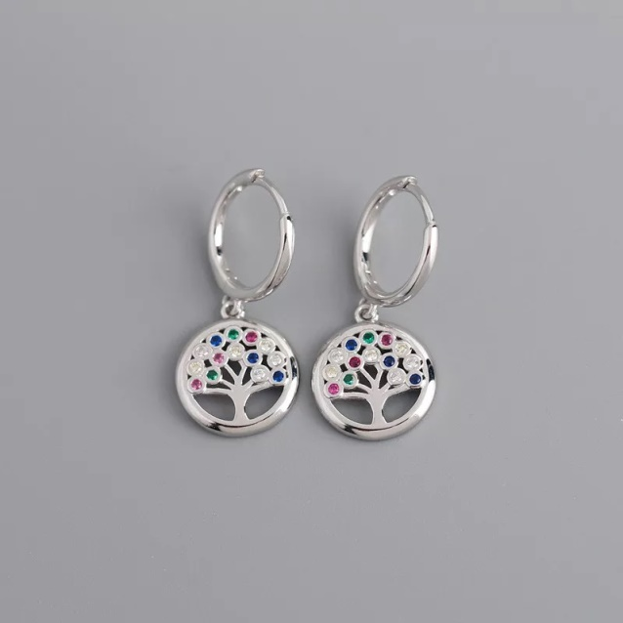 | 110 | Real 925 Sterling Silver New Color CZ Round Real 925 Sterling Silver Peace Tree Stud Earrings for Women | Use the provided polishing cloth to gently wipe this item clean, then remove any remaining tarnish with mild diluted soap. Rinse with warm water, dry with a clean towel and store it in its jewelry pouch. | As this item is Real 100% 925 sterling silver, We are gladly if you can testing by your local Testing Center! | Vibez Jewelz
3 | ER-41® | VJERSIL-41 | Material: 100% 925 Sterling Silver | 1 | 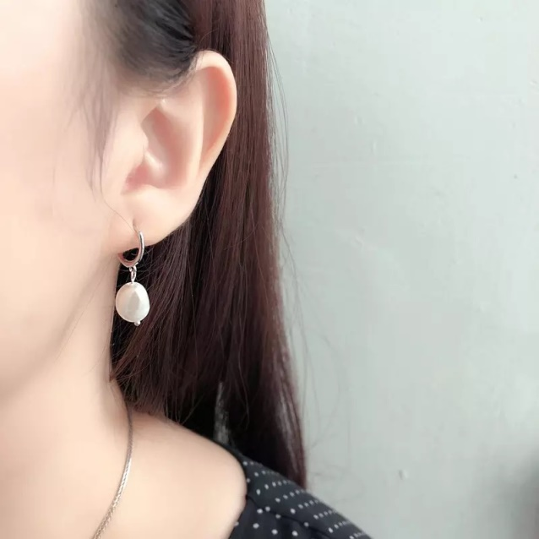 | 80 | Real 925 Sterling Silver Natural Freshwater Irregular Baroque Pearl Pendant Stud Earrings for Women Real 925 Sterling Silve | Use the provided polishing cloth to gently wipe this item clean, then remove any remaining tarnish with mild diluted soap. Rinse with warm water, dry with a clean towel and store it in its jewelry pouch. | As this item is Real 100% 925 sterling silver, We are gladly if you can testing by your local Testing Center! | Vibez Jewelz
4 | ER-42® | VJERSIL-42 | Material: 100% 925 Sterling Silver | 1 | 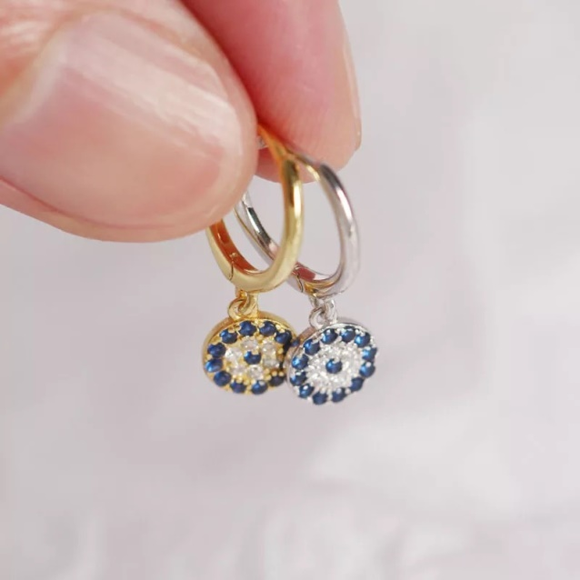 | 100 | Real 925 Sterling Silver Round Devil's Eye Pendant Stud Earrings for Women Evil Eyes Blue CZ Fine Jewelry | Use the provided polishing cloth to gently wipe this item clean, then remove any remaining tarnish with mild diluted soap. Rinse with warm water, dry with a clean towel and store it in its jewelry pouch. | As this item is Real 100% 925 sterling silver, We are gladly if you can testing by your local Testing Center! | Vibez Jewelz
5 | ER-43® | VJERSIL-43 | Material: 100% 925 Sterling Silver | 1 | 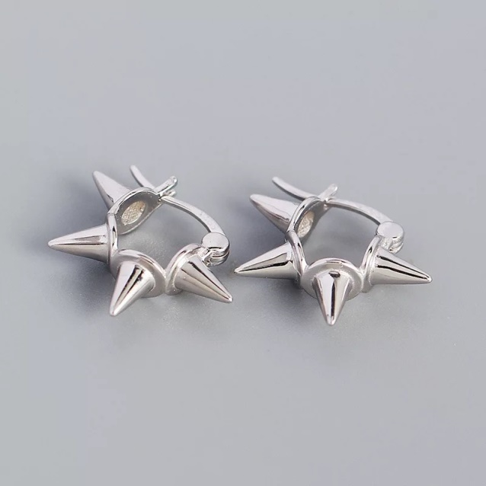 | 110 | 925 Sterling Silver Punk Minimalist Rivets Ear Buckle Earrings for Women | Use the provided polishing cloth to gently wipe this item clean, then remove any remaining tarnish with mild diluted soap. Rinse with warm water, dry with a clean towel and store it in its jewelry pouch. | As this item is Real 100% 925 sterling silver, We are gladly if you can testing by your local Testing Center! | Vibez Jewelz
6 | ER-44® | VJERSIL-44 | Material: 100% 925 Sterling Silver | 1 | 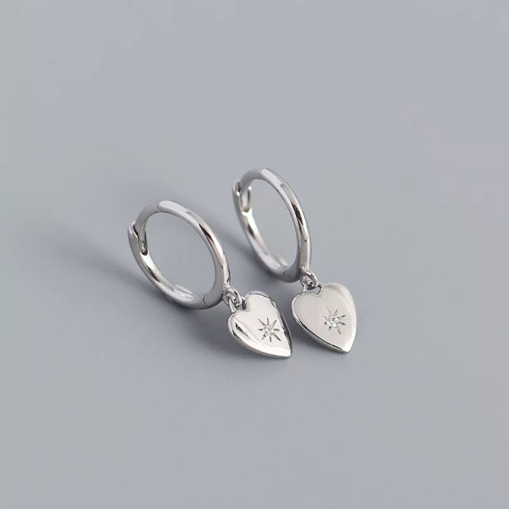 | 90 | Real 925 Sterling Silver Minimalist Punk Bohemia Demon Eyes Love Heart Pendant Stud Earrings for Women Trendy French Jewelry | Use the provided polishing cloth to gently wipe this item clean, then remove any remaining tarnish with mild diluted soap. Rinse with warm water, dry with a clean towel and store it in its jewelry pouch. | As this item is Real 100% 925 sterling silver, We are gladly if you can testing by your local Testing Center! | Vibez Jewelz
 |  |  |  | 6

